LCL
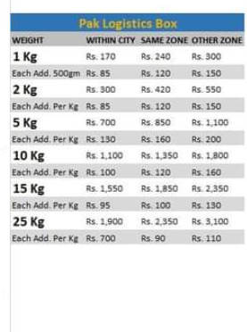
 | Dleivery Time | 72 hours | 48 hours | 28 hours | Usaafe Customised Box
 | Weight | Over Land | Express | Over Night
Zone A | 10 Kg | 22/kG | 44/KG | 88/KG
Zone B | 10 Kg | 22/kG | 44/KG | 88/KG
Zone C | 10 Kg | 25/kG | 50/Kg | 98/KG
Zone D | 10 Kg | 28/kG | 56/Kg | 112/Kg

Zone A |  | Zone B
Attock |  | Abbotabad
Bhawalpur |  | Arif wala
Faisalababd |  | Bhawal nagar
Gujranwala |  | Banu
Gujrat |  | Shikarpur
Hyderabad |  | Sialkot
Islamabad |  | Mirpur
Jehlum |  | Moro
Karachi |  | Muzafar Gardh
Lahore |  | Narowal
Multan |  | Batkhel
Vehari |  | Bakhar
Mardan |  | Burewala
Mian Chunu |  | Chakwal
Mianwali |  | ChechaWatni
Mingora Swat |  | DI Khan
Naushera |  | Gujjar Khan
Peshwar |  | Haripur
Rahim Yar Khan |  | Haroonabad
Rawal Pindi |  | Jackobabad
Sahiwal |  | Sheikhupura
Sukkur
 |  | Zone C
 |  | Quetta
 |  | Sargoda
 |  | Jhang
 |  | Juharabad
 |  | Kamonki
 |  | Khanewal
 |  | Kharian
 |  | Kohat
 |  | Kotaddu
 |  | Larkana
 |  | Liya
 |  | Manga mandi
 |  | Mansehra
 |  | Toba Tek sigh
 |  | Wahh Cantt
 |  | Wazirabad
 |  | Peshawar

